2017-18
F. Y. B. Pharm. Sem. I (CBCS)
Merit No. | Seat No. | Name | Grand Total 650 | Persantage | GPA | Grade | Photo
1 | 141 | Patel Nikul Narendra | 488 | 75.08 | 8.68 | A
2 | 140 | / Patankar Neha Rajendra | 464 | 71.38 | 8.04 | A
3 | 139 | Pandit Dipesh Pralhad | 465 | 71.54 | 8.00 | B

F. Y. B. Pharm. Sem. II (CBCS)
Merit No. | Seat No. | Name | Grand Total 650 | Persentage | GPA | Grade | Photo
1 | 239 | Patel Nikul Narendra | 504 | 77.54 | 8.72 | A
2 | 237 | Pandit Dipesh Pralhad | 486 | 74.77 | 8.48 | A
3 | 238 | / Patankar Neha Rajendra | 460 | 70.77 | 8.00 | A

S. Y. B. Pharm. Sem. III (CBCS)
Merit No. | Seat No. | Name | Grand Total 650 | Persentage | GPA | Grade | Photo
1 | 324 | Palkar Omkar Sharad | 489 | 75.23 | 8.38 | A
2 | 321 | / Mhate Mouzma Muazzam | 470 | 72.31 | 8.21 | A
3 | 342 | / Zambharkar Balisakina Zakir | 459 | 70.62 | 7.71 | B

S. Y. B. Pharm. Sem. IV (CBCS)
Merit No. | Seat No. | Name | Grand Total 750 | Persentage | GPA | Grade | Photo
1 | 424 | Palkar Omkar Sharad | 566 | 75.47 | 8.48 | A
2 | 437 | / Surve Namita Shashikant | 554 | 73.87 | 8.44 | A
3 | 442 | / Zambharkar Balisakina Zakir | 537 | 71.60 | 8.11 | A

T. Y. B. Pharm. Sem. V (CBGS)
Merit List | Seat No. | Name | Grand Total 650 | Persentage | GPA | Grade | Photo
1 | 511 | / Desai Rashmi Ravindranath | 514 | 79.08 | 8.63 | O
2 | 538 | / Mukhari Nida Ashraf | 481 | 74.00 | 7.92 | A
3 | 517 | / Ghanekar Pranali Pradeep | 457 | 70.31 | 7.67 | A

T. Y. B. Pharm. Sem. VI (CBGS)
Merit No. | Seat No. | Name | Grand Total 700 | Persentage | GPA | Grade | Photo
1 | 611 | / Desai Rashmi Ravindranath | 573 | 81.86 | 8.71 | O
2 | 640 | / Mukhari Nida Ashraf | 544 | 77.71 | 8.42 | O
3 | 604 | / Charkari Pratiksha Ravindra | 520 | 74.29 | 8.17 | O

Fourth Y. B. Pharm. Sem. VII (CBGS)
Rank | Seat No. | Name of the Student | Marks | Percentage | GPA | Grade | Photo
1 | 1534 | / Ghag Nilam Sambhaji | 610 | 76.25 | 8.08 | O
2 | 1525 | / Chavan Ankita Rajendra | 560 | 70.00 | 7.65 | A | 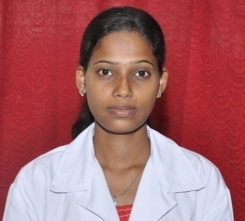
3 | 1584 | / Sawant Sayali Dilip | 564 | 70.50 | 7.54 | A

Fourth Y. B. Pharm. Sem. VIII (CBGS)
Merit No. | Seat No. | Name | Marks | Percentage | GPA | Grade | Photo
1 | 1568 | / Ghag Nilam Sambhaji | 444 | 68.31 | 8.00 | A
2 | 1618 | / Sawant Sayali Dilip | 421 | 64.77 | 7.58 | A
3 | 1582 | / Kulkarni Yogeshwari Nandkumar | 413 | 63.54 | 7.50 | A

2018-19
F. Y. B. Pharm. Sem. I (CBCS)
Merit No. | Seat No. | Name | Grand Total 650 | Persentage | GPA | Grade | Photo
1 | 114 | Gelye Ashish Prakash | 481 | 74.00 | 8.64 | A
2 | 146 | / Patil Rutuja Subhash | 470 | 72.31 | 8.12 | A
3 | 108 | / Deoghare Megha Shashikant | 436 | 67.08 | 7.48 | B | 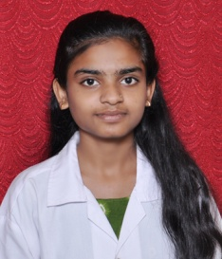

F. Y. B. Pharm. Sem. II (CBCS)
Merit No. | Seat No. | Name | 40% Grand Total 650 | Persentage | GPA | Grade | Photo
1 | 246 | / Patil Rutuja Subhash | 474 | 72.92 | 8.36 | A
2 | 214 | Gelye Ashish Prakash | 467 | 71.85 | 8.20 | A | 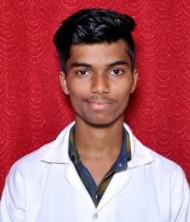
3 | 204 | / Chavan Shefali Arvind | 431 | 66.31 | 7.72 | B

S. Y. B. Pharm. Sem. III (CBCS)
Merit No. | Seat No. | Name | Grand Total 650 | Persentage | GPA | Grade | Photo
1 | 337 | / Pandey Meenakshi Ashutosh | 462 | 71.08 | 7.92 | B | 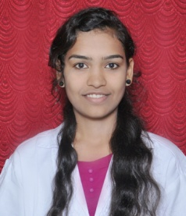
2 | 340 | Patel Nikul Narendra | 451 | 69.38 | 7.88 | B
3 | 338 | Pandit Dipesh Pralhad | 437 | 67.23 | 7.75 | B

S. Y. B. Pharm. Sem. IV (CBCS)
Merit No. | Seat No. | Name | Grand Total 750 | Persentage | GPA | Grade | Photo
1 | 438 | Pandit Dipesh Pralhad | 560 | 74.67 | 8.22 | A
2 | 439 | / Patankar Neha Rajendra | 536 | 71.47 | 8.04 | A | 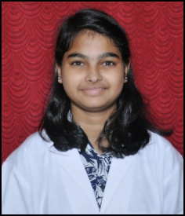
3 | 437 | / Pandey Meenakshi Ashutosh | 530 | 70.67 | 7.85 | B

T. Y. B. Pharm. Sem. V (CBCS)
Merit No. | Seat No. | Name | Grand Total 650 | Persentage | GPA | Grade | Photo
1 | 548 | / Zambharkar Balisakina Zakir | 500 | 76.92 | 9.00 | A
2 | 527 | Palkar Omkar Sharad | 498 | 76.62 | 8.69 | A
3 | 524 | / Mhate Mouzma Muazzam | 486 | 74.77 | 8.38 | A

T. Y. B. Pharm. Sem. VI (CBCS)
Merit No. | Seat No. | Name | 40% Grand Total 700 | Persentage | GPA | Grade | Photo
1 | 649 | / Zambharkar Balisakina Zakir | 571 | 81.57 | 9.50 | O
2 | 628 | Palkar Omkar Sharad | 551 | 78.71 | 9.14 | O
3 | 644 | / Surve Namita Shashikant | 554 | 79.14 | 8.86 | A

Fourth Y. B. Pharm. Sem. VII (CBGS)
Rank | Seat No. | Name of the Student | Marks | Percentage | CGPA | Grade | Photo
1 | 1758 | / Desai Rashmi Ravindranath | 596 | 74.50 | 8.08 | O
2 | 1805 | Sathe Vaishnav Vinod | 577 | 72.13 | 8.00 | A
3 | 1792 | / Mukhari Nida Ashraf | 587 | 73.38 | 7.92 | A

Fourth Y. B. Pharm. Sem. VIII (CBGS)
Merit No. | Seat No. | Name | Total | Persentage | CGPA | Grade | Photo
1 | 1657 | / Desai Rashmi Ravindranath | 428 | 71.33 | 7.75 | A
2 | 1663 | / Gawas Prajakta Vishnu | 410 | 68.33 | 7.42 | A
3 | 1704 | Sathe Vaishnav Vinod | 402 | 67.00 | 7.33 | A

2019-20
F. Y. B. Pharm. Sem. I (Rev. 2019)
Merit No. | Seat No. | Name | Grand Total 750 | Persentage | GPA | Grade | Photo
1 | 117 | / Hipparkar Maya Shrimant | 517 | 68.93 | 8.33 | A | 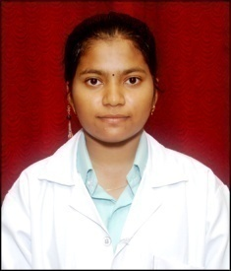
1 | 151 | / Shingade Pallavi Janardan | 531 | 70.80 | 8.33 | A | 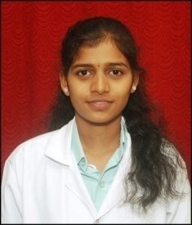
2 | 149 | Shinde Akash Anant | 521 | 69.47 | 8.26 | A
3 | 105 | Bhave Gaurav Gajanan | 515 | 68.67 | 8.19 | A | 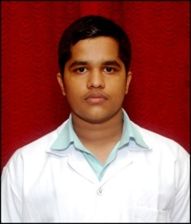

F. Y. B. Pharm. Sem. II (Rev. 2019)
Merit No. | Seat No. | Name | Grand Total 750 | Persentage | GPA | Grade | Photo
1 | 205 | Bhave Gaurav Gajanan | 644 | 88.83 | 9.24 | O
2 | 217 | / Hipparkar Maya Shrimant | 634 | 87.45 | 9.10 | O
2 | 201 | Bakawe Sushant Shivram | 621 | 85.66 | 9.10 | O | 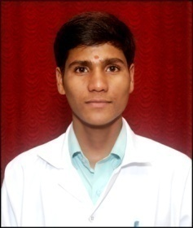
3 | 251 | / Shingade Pallavi Janardan | 615 | 84.83 | 8.97 | A
3 | 249 | Shinde Akash Anant | 620 | 85.52 | 8.97 | A

S. Y. B. Pharm. Sem. III (CBCS)
Merit No. | Seat No. | Name | Grand Total 650 | Persentage | GPA | Grade | Photo
1 | 329 | / Patil Rutuja Subhash | 481 | 74.00 | 8.33 | A
2 | 304 | / Chavan Shefali Arvind | 477 | 73.38 | 8.29 | A
3 | 333 | / Sane Siddhi Vinayanand | 455 | 70.00 | 7.83 | B

S. Y. B. Pharm. Sem. IV (CBCS)
Merit No. | Seat No. | Name | Grand Total 650 | Persentage | GPA | Grade | Photo
1 | 433 | / Sane Siddhi Vinayanand | 614 | 81.87 | 9.85 | O
2 | 404 | / Chavan Shefali Arvind | 628 | 83.73 | 9.78 | O
3 | 429 | / Patil Rutuja Subhash | 617 | 82.27 | 9.74 | O

T. Y. B. Pharm. Sem. V (CBCS)
Merit No. | Seat No. | Name | Grand Total 650 | Persentage | GPA | Grade | Photo
1 | 516 | Haryan Vaibhav Dhondu | 458 | 70.46 | 8.08 | A | 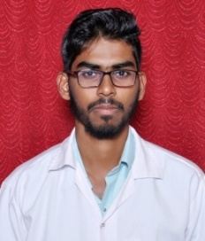
1 | 547 | Patel Nikul Narendra | 472 | 72.62 | 8.08 | A
2 | 544 | / Pandey Meenakshi Ashutosh | 465 | 71.54 | 7.85 | B
2 | 546 | / Patankar Neha Rajendra | 474 | 72.92 | 7.85 | B
3 | 539 | / Mohire Pooja Pramod | 457 | 70.31 | 7.77 | B

T. Y. B. Pharm. Sem. VI (CBCS)
Merit No. | Seat No. | Name | Grand Total 700 | Persentage | CGPA | Grade | Photo
1 | 647 | Patel Nikul Narendra | 585 | 83.57 | 9.93 | O
2 | 646 | / Patankar Neha Rajendra | 573 | 81.86 | 9.86 | O
3 | 639 | / Mohire Pooja Pramod | 573 | 81.86 | 9.71 | O

Fourth Y. B. Pharm. Sem. VII (CBCS)
Merit No. | Seat No. | Name of the Student | Total | Persentage | SGPI | Grade | Photo
1 | 1405 | / Zambharkar Balisakina Zakir | 550 | 78.57 | 8.93 | O
2 | 1382 | Palkar Omkar Sharad | 520 | 74.29 | 8.44 | O
3 | 1400 | / Surve Namita Shashikant | 506 | 72.29 | 8.15 | O

Fourth Y. B. Pharm. Sem. VIII (CBCS)
Merit No. | Seat No. | Name of the Student | Total | Persentage | SGPI | Grade | Photo
1 | 1391 | / Shevade Gauri Pradeep | 624 | 89.14 | 10.00 | O
2 | 1374 | / Mhate Mouzma Muazzam | 601 | 85.86 | 9.85 | O
3 | 1377 | Palkar Omkar Sharad | 598 | 85.43 | 9.69 | O

2020-21
F. Y. B. Pharm. Sem. I (Rev. 2019)
Merit No. | Seat No. | Name | Grand Total 675/725 | Persentage | GPA | Grade | Photo
1 | 132 | / Thatte Gauri Nilesh | 538 | 79.70 | 8.44 | A
2 | 151 | / Narvankar Sanika Rajesh | 551 | 76.00 | 8.34 | A
3 | 107 | / Dhotre Akanksha Rajkumar | 509 | 75.41 | 8.22 | A | 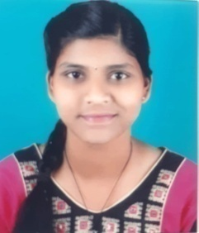

F. Y. B. Pharm. Sem. II (Rev. 2019)
Merit No. | Seat No. | Name | Grand Total 725 | Persentage | GPA | Grade | Photo
1 | 241 | / Narvankar Sanika Rajesh | 567 | 78.24 | 8.41 | A
2 | 243 | / Newarekar Wafa Ibrahim | 562 | 77.52 | 8.38 | A
3 | 246 | Patere Dhiraj Vijay | 560 | 77.24 | 8.34 | A
3 | 259 | / Thatte Gauri Nilesh | 570 | 78.66 | 8.34 | A

S. Y. B. Pharm. Sem. III (Rev. 2019)
Merit No. | Seat No. | Name | Total Out of 600 | Persentage | GPA | Grade | Photo
1 | 305 | Bhave Gaurav Gajanan | 467 | 77.83 | 8.42 | A
2 | 317 | / Hipparkar Maya Shrimant | 429 | 71.50 | 8.00 | B
3 | 312 | / Gawandi Mahek Ehesan | 424 | 70.67 | 7.75 | B
3 | 330 | / Kuveskar Poonam Sharad | 433 | 72.17 | 7.75 | B

S. Y. B. Pharm. Sem. IV (Rev. 2019)
Merit No. | Seat No. | Name | Grand Total 700 | Persentage | GPA | Grade | Photo
1 | 405 | Bhave Gaurav Gajanan | 549 | 78.43 | 8.57 | A
2 | 450 | Shinde Akash Anant | 532 | 76.00 | 8.36 | A
3 | 469 | / Patil Vaishnavi Dattatray | 493 | 70.43 | 7.71 | B

T. Y. B. Pharm. Sem. V (CBCS)
Merit No. | Seat No. | Name | Grand Total Out of 650 | Persentage | GPA | Grade | Photo
1 | 515 | / Gurav Neha Nivritti | 472 | 72.62 | 8.38 | A
2 | 538 | / Patil Rutuja Subhash | 467 | 71.85 | 7.92 | B
2 | 545 | Sansare Rushikesh Santosh | 459 | 70.62 | 7.92 | B
3 | 511 | Gelye Ashish Prakash | 465 | 71.54 | 7.85 | B
3 | 528 | / Kolekar Neha Santosh | 457 | 70.31 | 7.85 | B

T. Y. B. Pharm. Sem. VI (CBCS)
Merit No. | Seat No. | Name | Grand Total 700 | Persentage | GPA | Grade | Photo
1 | 638 | / Patil Rutuja Subhash | 535 | 76.43 | 8.79 | A
2 | 611 | Gelye Ashish Prakash | 509 | 72.71 | 8.50 | A
3 | 644 | / Sane Siddhi Vinayanand | 517 | 73.86 | 8.50 | A

Fourth Y. B. Pharm. Sem. VII (CBCS)
Merit No. | Seat No. | Name of the Student | Total | Percentage | GPA | Grade | Photo
1 | 1639 | Pandit Dipesh Pralhad | 545 | 77.86 | 9.19 | O | 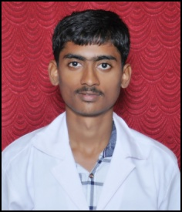
2 | 1648 | / Ponkshe Sanika Abhay | 538 | 76.86 | 8.93 | A
3 | 1638 | / Pandey Meenakshi Ashutosh | 541 | 77.29 | 8.89 | A

Fourth Y. B. Pharm. Sem. VIII (CBCS)
Merit No. | Seat No. | Name | Total | Persentage | CGPA | Grade | Photo
1 | 1635 | Pandit Dipesh Pralhad | 534 | 76.29 | 8.77 | A
1 | 1637 | Patel Nikul Narendra | 536 | 76.57 | 8.77 | A
2 | 1629 | / Mohire Pooja Pramod | 517 | 73.86 | 8.46 | A
3 | 1656 | Surnar Shreyas Madan | 509 | 72.71 | 8.38 | A

